COC Map
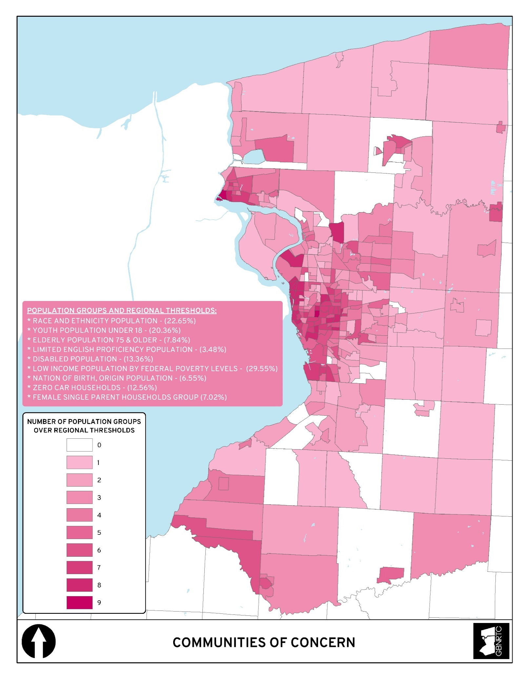
COMMUNITIES OF CONCERN (COC)
The population groups are used to identify location and concentrations of Communities of Concern (COCs). They are combined into a single database and displayed showing census tracts that are above regional thresholds for each value.

POPULATION GROUPS
 | RACE AND ETHNICITY POPULATION GROUP (REGIONAL THRESHOLD: 22.65%)
 |  | This population group includes the following racial categories: Black or African American, American Indian and Alaska Native, Asian, Native Hawaiian and Pacific Islander, Some Other Race, Two or More Races, and Hispanic or Latino.

 | YOUTH POPULATION GROUP UNDER 18 (REGIONAL THRESHOLD: 20.36%)
 |  | This population group includes the total population of those under 18 years.

 | ELDERLY POPULATION GROUP 75 & OLDER (REGIONAL THRESHOLD: 7.84%)
 |  | This population group includes the total population of those 75 years and older.

 | LIMITED ENGLISH PROFICIENCY POPULATION GROUP (REGIONAL THRESHOLD: 3.48%)
 |  | This population group refers to anyone above the age of 5 who speaks English less than “very well,” as classified by the U.S. Census Bureau.

 | DISABLED POPULATION GROUP (REGIONAL THRESHOLD: 13.36%)
 |  | This population group includes total civilian noninstitutionalized population with a disability.

 | LOW INCOME POPULATION GROUP BY FEDERAL POVERTY LEVELS (REGIONAL THRESHOLD: 22.55%)
 |  | This population group includes the total population for whom poverty is determined. Population with total income below the 200% Federal Poverty Levels (FPL). FPLs are used to determine eligibility for federal programs.

 | NATION OF BIRTH, ORIGIN POPULATION GROUP (REGIONAL THRESHOLD: 6.55%)
 |  | This population group represents the total population of those who are foreign born.

 | ZERO CAR HOUSEHOLDS GROUP (REGIONAL THRESHOLD: 12.56%)
 |  | This population group represents households with no vehicle available for use by household members.

 | FEMALE SINGLE PARENT HOUSEHOLDS GROUP (REGIONAL THRESHOLD: 7.02%)
 |  | This population group represents female householder, with no husband present, family households, with children under 18 years of age.

* Data Source US Census - 5 Year American Communites Survey 2015-2019

* KML download for google earth (Google Drive)

APP Map
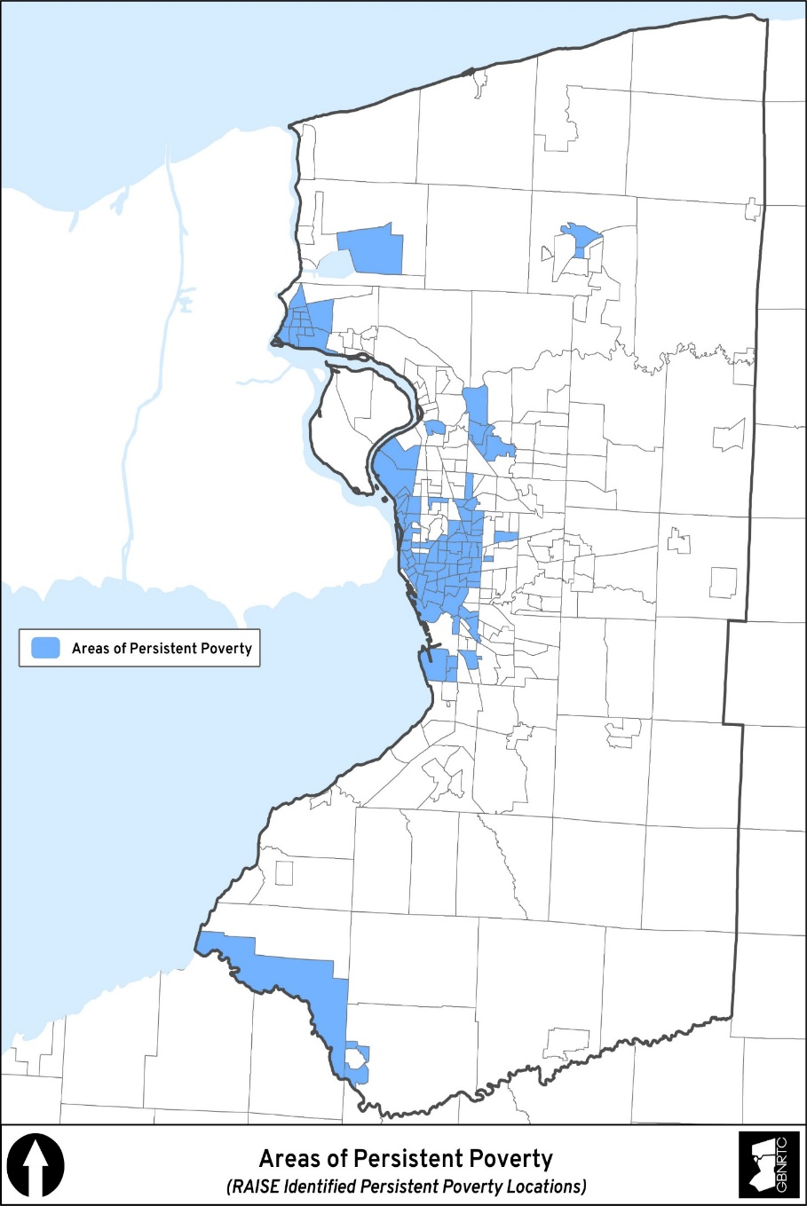
RAISE Areas of Persistent Poverty
An “Area of Persistent Poverty” is defined for the RAISE grant program by the 2021 Consolidated Appropriations Act. A project is located in an Area of Persistent Poverty for the RAISE grant program if :

 | (1) the County in which the project is located consistently had greater than or equal to 20 percent of the population living in poverty in all three of the following datasets: (a) the 1990 decennial census; (b) the 2000 decennial census; and (c) the 2019 Small Area Income Poverty Dataset; OR

 | (2) the Census Tract in which the project is located has a poverty rate of at least 20 percent as measured by the 2014-2018 5-year data series available from the American Community Survey of the Bureau of the Census; OR

 | (3) the project is located in any territory or possession of the United States.

